1-0.5 ratio
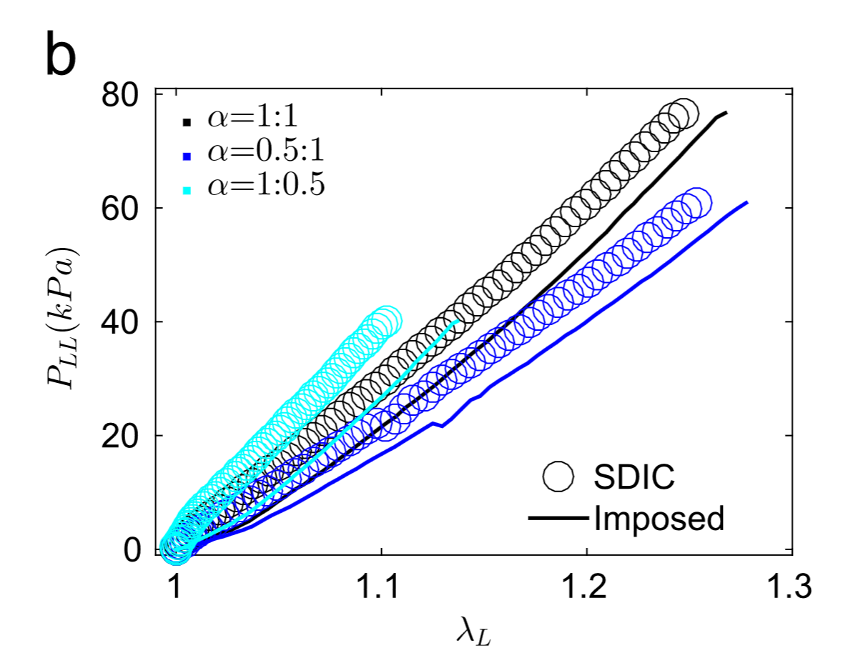
1.004 | 1.881060976
1.008 | 3.2318978851
1.012 | 4.3140927769
1.016 | 4.7980428384
1.02 | 6.6252616783
1.024 | 8.5150007436
1.028 | 10.051407422
1.032 | 11.675871972
1.036 | 13.326489272
1.04 | 14.930533864
1.044 | 17.47442536
1.048 | 18.39102675
1.052 | 19.029180731
1.056 | 21.002533666
1.06 | 23.459392072
1.064 | 23.738066012
1.068 | 25.186902503
1.072 | 27.916994383
1.076 | 27.818251946
1.08 | 29.473784462
1.084 | 31.254767058
1.088 | 32.34082756
1.092 | 33.877392763 | First column represents Stretch(mm/mm), and the second column represents Stress (Kpa)
1.096 | 35.778736131
1.1 | 37.951364735
1.104 | 39.058484215
1.108 | 39.714761998
1.112 | 41.211630761
1.116 | 40.802488313

1-1 ratio
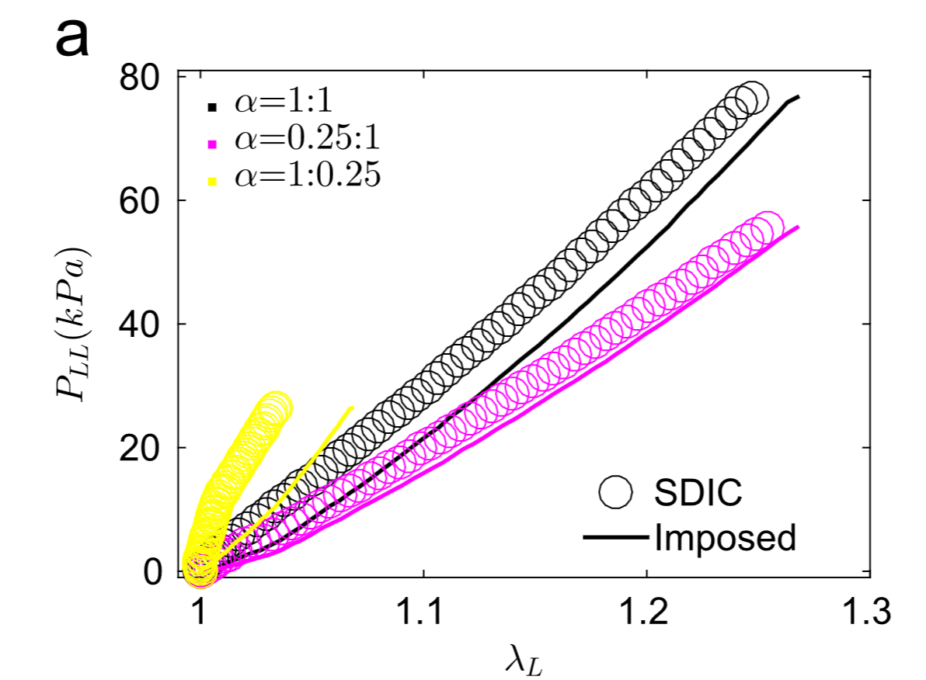
1.0202015471 | 5.2637268592
1.0215904674 | 7.5429034728
1.0263639684 | 9.9325856193
1.0249895 | 9.5900184676
1.031666008 | 11.521102653
1.0349147301 | 12.44658649
1.0324504687 | 11.697220846
1.0465056032 | 15.816192699
1.0413802374 | 14.276834377
1.0443811875 | 15.084906085
1.0557803384 | 17.303995316
1.0514386978 | 17.105085357
1.0566511343 | 18.047835683
1.0556538481 | 15.955137156
1.0583342823 | 18.06855547
1.0621962089 | 19.653619206
1.0662886441 | 21.394081348
1.0729053933 | 23.232962479
1.0806761181 | 25.6124417
1.08823702 | 27.895139859
1.0959665871 | 30.122066574
1.103192166 | 32.184946624
1.110415397 | 34.635376785
1.1179758092 | 36.998906683
1.1250333366 | 39.016260529 | First column represents Stretch(mm/mm), and the second column represents Stress (Kpa)
1.1323854062 | 41.369436383
1.1309131202 | 40.943200757
1.1391461813 | 43.415762053
1.1456973077 | 45.667312283
1.1532581996 | 47.951668844
1.1604833583 | 50.083898544
1.1666978081 | 52.339083825
1.1729136188 | 54.36962299
1.1796320445 | 56.790878146
1.1861829438 | 59.079921325
1.1920616027 | 61.192527099
1.1979425111 | 62.933801781
1.204661246 | 65.304019884
1.211547055 | 67.881105403
1.2179293433 | 70.216988803
1.2243126225 | 72.389294935
1.2281758273 | 73.763343994

